Cover Page
Vaccination Week in the Americas 2026 25 April to 02 May
Annex 1. National Plan Tool
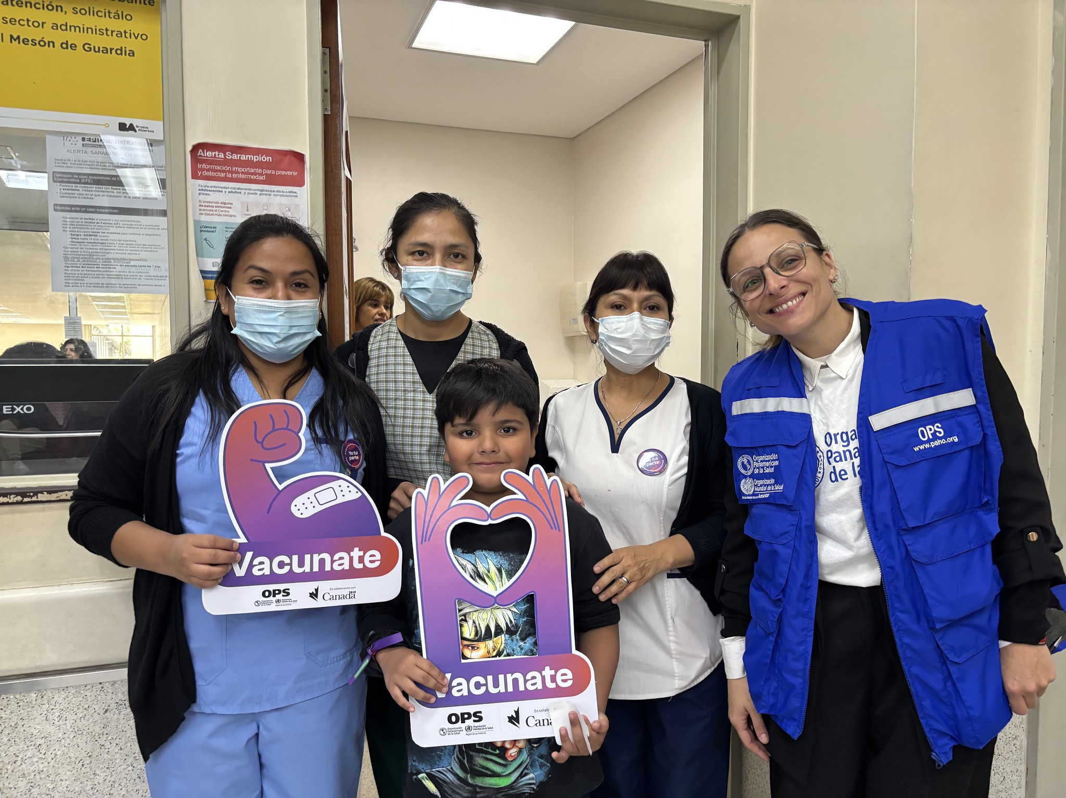

Country | Antigua and Barbuda
Name(s) of persons filling out this template
Email(s) of persons filling out this template

 | https://www.paho.org/vwa

 | @PAHO/WHO

Antigens
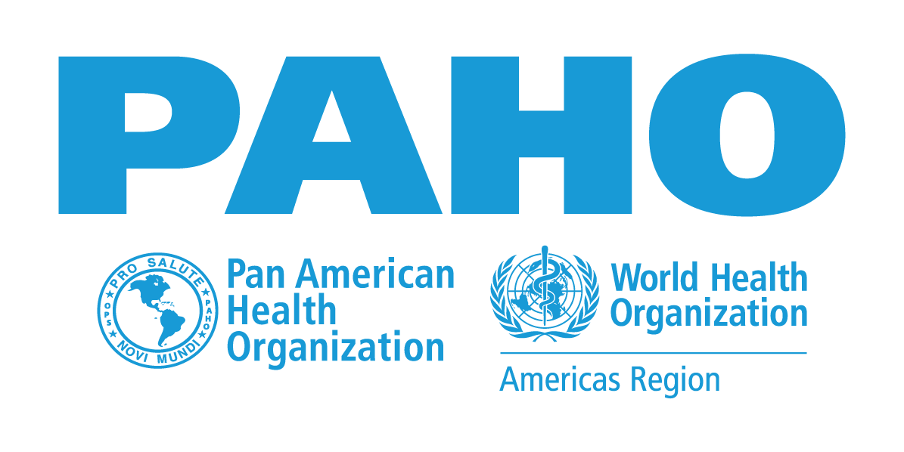 Vaccination Week in the Americas 2026 25 April to 02 May
Annex 1 - National Plan Report

Goals by Doses
INSTRUCTIONS * REPORT ONLY THE NUMBER OF DOSES PER ANTIGEN EXPECTED TO BE ADMINISTERED TO EACH TARGET POPULATION. * If the country uses a combined vaccine (e.g., Pentavalent), it is not necessary to repeat the information for each component of the vaccine (e.g., DTP and Hib and HepB). * If the country administers aN antigen that is not listed, enter data on doses administered in “Other” and detail the antigen used in the “Target Population” section. * Target Population refers to the group that will be vaccinated and not to the number of people vaccinated. * For HPV vaccine, please specify the target age group and sex to be vaccinated in the “Target Population” section.

Antigens | Hepatitis B | BCG | Pentavalent/Hexavalent | Polio (IPV) | Polio (OPV) | Rotavirus | Pneumococcus | Haemophilus influenzae type b (Hib) | Measles-Containing Vaccine | Yellow Fever | Influenza | Diphtheria, Tetanus, Pertussis (DTP) | Diphtheria Tetanus (<7 yrs.) (DT) | Tetanus Diphtheria (>7 yrs.) (Td) | Tdap | HPV | COVID-19 | Other (Varicella, Cholera, Meningococcal, Hep. A, etc.)
Amount of Doses
Target Population (who)

Comment/Explanation (if needed):

Goals by Zero-Dose / Under vaccinated children younger than 5 years old
 | Enter the estimate number of Zero-Dose children you plan on reaching. Zero-Dose Children are those younger than 5 who did not receive the first dose of the vaccine against diphtheria, tetanus, pertussis (DTP1). |  |  |  |  |  |  |  |  |  | Enter the estimate number of undervaccinated clidren you plan on reaching. Undervaccinated children are those who have not received the third dose of the vaccine against diphtheria, tetanus, pertussis (DTP3).

Budget
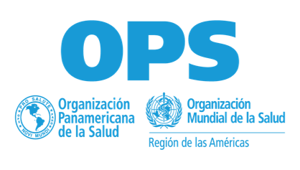
Vaccination Week in the Americas 2026 25 de abril al 02 de mayo
Annex 1 - National Plan Report
Budget for VWA 2026
-Most of the funds for Vaccination Week come from national funds. If funds are available at the PAHO office level in the countries, consider using those funds to finance activities. - Very limited funds are available at the regional level, and support will be provided to a limited number of countries and activities. - If you wish to request resources, please include the required information in the table below. - Please specify the currency being used.

Category | Estimates Cost | Financing Sources
 |  | MoH | PAHO Country Office | Other Sources | HQ Request
Biological and supplies
Cold Chain
Training
Operations
Supervising and Monitoring
Survaillance
Communications Campaign
Evaluations
others
Total

